C-1-Management Group Hierarchy
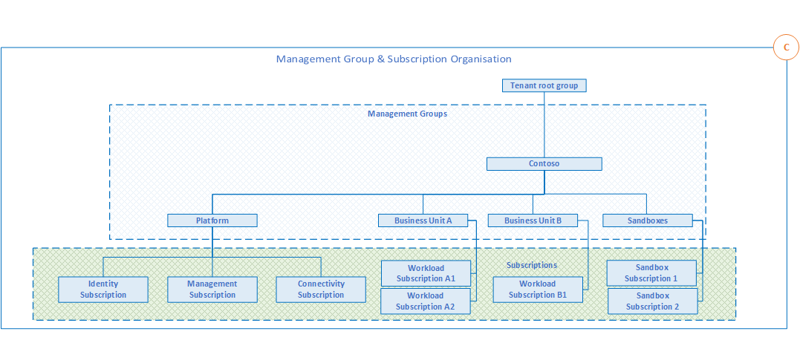
C - Management Group and Subscription Organization |  | 81% | 50% | 0%

1 - Define Management Group Hierarchy

Within an Azure AD tenant, Management Group structures help to support organizational mapping and must therefore be appropriately considered when planning Azure adoption at-scale.

Design Considerations | Decision |  |  | Documentation | Implementation
Management groups can be used to aggregate Policy and Initiative assignments. | Ok |  |  | Approved | Skip
A management group tree can support up to six levels of depth. This limit doesn't include the Root level or the subscription level. | Ok |  |  | Approved | Skip

Design Recommendations | Decision |  |  | Documentation | Implementation
Keep the Management Group hierarchy reasonably flat with ideally no more than 3-4 levels. This reduces management overhead and complexity. | Yes |  | This hierarchy needs to be created. We will strive to create it according to these best-practices defined by MS | Ready for Review | To Do
Avoid duplicating your organizational structure into a deeply nested management group hierarchy. Management groups should be used for policy assignment purposes, NOT for billing purposes. This facilitates the use of management groups for its intended purpose in an Enterprise Scale architecture, which is to provide Azure Policies for workloads that requrie the same type of security and compliance under the same management group. | Yes |  | We will take this into our design consideration | Ready for Review | To Do
Create management groups under your root level management group that represent the types of workloads (archetype) that you will host, based on their security, compliance, connectivity, and feature needs. This allows you to have a set of Azure Policies applied at the management group level for all workloads that require the same security, compliance, connectivity, and feature settings. | Maybe |  | Can this model can be used for BSNI "managed-from" LZ? We need to analyze whether we are going to be able to follow this model. Need input from Roman about how he plans to structure the delivery organization in Azure | Ready for Review | To Do
Use resource tags, which can be enforced or appended through Azure Policy, to query and horizontally navigate across the Management Group hierarchy. This faciliates grouping resources for search needs without having to use a complex management group hierarchy. | Yes |  |  | In Progress | To Do
Create a top-level "Sandboxes" management group to allow users to immediately experiment with Azure. This allows users to experiment with resources that might not yet be allowed in production environments, and provides isolation from your development, test and production environments. | Yes |  | Wojciech has requested this from the CCoE | Ready for Review | To Do
Use a dedicated service principal (SPN) to execute management group management operations, subscription management operations, and role assignment. This reduces the number of users who have elevated rights, following least privilege guidelines. | Maybe |  | We need to better understand the concept of "dedicated service principal" | Ready for Review | To Do
Assign the User Access Administrator Azure AD role at the root Management Group scope (/) to grant the SPN mentioned above access at the root level. After the SPN is granted permissions, the User Administrator Access role can be safely removed. This ensures only the SPN is part of the User Administrator Access role. | Maybe |  | We need to better understand the concept of "dedicated service principal" | In Progress | To Do
Assign the SPN mentioned above **Contributor** permission at the root Management Group scope (/) to allow tenant level operations. This ensures the SPN can be used to deploy and manage resources to any subscription within your organization. | Maybe |  | We need to better understand the concept of "dedicated service principal" | In Progress | To Do
Create a **Platform** Management Group under the top-level (root) Management Group to support common platform policy and RBAC assignment. This ensures that different policies can be applied to the subscriptions used for your Azure foundation, and that the billing for common resources is centralized in one set of foundational subscriptions. | Maybe |  | this may not be applicable to us at all, since it appears to be for an org that has both managed-from and managed-to; in our case, all resources will be part of common or centrallized resources (in our managed-from bsni); we probably will need a "platform" managed group once we deploy "managed-to" resources | Ready for Review | To Do
Limit the number of Azure Policy assignments made at the root Management Group scope. This minimizes debugging inheritted policies in lower level management groups. | Yes |  |  | In Progress | To Do
Do not create any subscriptions under the "root" Management Group. This ensures that subscriptions do **NOT** inherited just the small set of Azure Policies assigned at the root level management group, which are not representative of a full set necessary for any given workload. | Yes |  | The root Management Group is "Kyndryl CH BSNI". This group will have a Group and Subscription for BSNI PROD workload, for DEV workload and for TEST workload; we do not expect to have to create more subscriptions under the root Management Group. linked to point 20 | Ready for Review | To Do

